slide 6
● Which movies contributed the most/least to revenue gain?

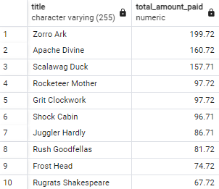
INPUT | top10
WITH top_movies AS (
SELECT D.title -- selecting top movie titles
FROM payment A
INNER JOIN rental B ON A.rental_id = B.rental_id
INNER JOIN inventory C ON B.inventory_id = C.inventory_id
INNER JOIN film D ON C.film_id = D.film_id
INNER JOIN film_category E ON D.film_id = E.film_id
INNER JOIN category F ON E.category_id = F.category_id
GROUP BY D.title -- group by movie title
ORDER BY COUNT(A.rental_id) DESC -- counting rentals or using COUNT(*)
LIMIT 10
)
-- Final query
SELECT D.title,
SUM(A.amount) AS total_amount_paid -- sum of amounts paid per movie title
FROM payment A
INNER JOIN rental B ON A.rental_id = B.rental_id
INNER JOIN inventory C ON B.inventory_id = C.inventory_id
INNER JOIN film D ON C.film_id = D.film_id
INNER JOIN film_category E ON D.film_id = E.film_id
INNER JOIN category F ON E.category_id = F.category_id
WHERE D.title IN (SELECT title FROM top_movies) -- filter by top 10 movies
GROUP BY D.title -- group by movie title
ORDER BY total_amount_paid DESC
LIMIT 10;


INPUT | bottom10
WITH top_movies AS (
SELECT D.title -- selecting top movie titles
FROM payment A
INNER JOIN rental B ON A.rental_id = B.rental_id
INNER JOIN inventory C ON B.inventory_id = C.inventory_id
INNER JOIN film D ON C.film_id = D.film_id
INNER JOIN film_category E ON D.film_id = E.film_id
INNER JOIN category F ON E.category_id = F.category_id
GROUP BY D.title -- group by movie title
ORDER BY COUNT(A.rental_id) ASC -- counting rentals or using COUNT(*)
LIMIT 10
)
#NAME?
SELECT D.title,
SUM(A.amount) AS total_amount_paid -- sum of amounts paid per movie title
FROM payment A
INNER JOIN rental B ON A.rental_id = B.rental_id
INNER JOIN inventory C ON B.inventory_id = C.inventory_id
INNER JOIN film D ON C.film_id = D.film_id
INNER JOIN film_category E ON D.film_id = E.film_id
INNER JOIN category F ON E.category_id = F.category_id
WHERE D.title IN (SELECT title FROM top_movies) -- filter by top 10 movies
GROUP BY D.title -- group by movie title
ORDER BY total_amount_paid ASC
LIMIT 10;

slide 7
Top10 categories by country

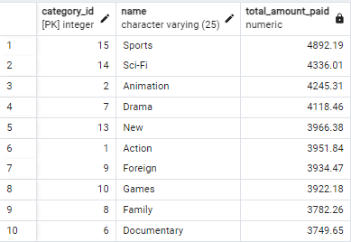
INPUT
WITH top_categories AS (
SELECT F.category_id -- selecting only category_id
FROM payment A
INNER JOIN rental B ON A.rental_id = B.rental_id
INNER JOIN inventory C ON B.inventory_id = C.inventory_id
INNER JOIN film D ON C.film_id = D.film_id
INNER JOIN film_category E ON D.film_id = E.film_id
INNER JOIN category F ON E.category_id = F.category_id
GROUP BY F.category_id -- group by category_id only
ORDER BY COUNT(A.amount) DESC
LIMIT 10
)
-- Final query
SELECT F.category_id, F.name,
SUM(A.amount) AS total_amount_paid -- sum of amounts paid per category_id
FROM payment A
INNER JOIN rental B ON A.rental_id = B.rental_id
INNER JOIN inventory C ON B.inventory_id = C.inventory_id
INNER JOIN film D ON C.film_id = D.film_id
INNER JOIN film_category E ON D.film_id = E.film_id
INNER JOIN category F ON E.category_id = F.category_id
WHERE F.category_id IN (SELECT category_id FROM top_categories) -- filter by category_id
GROUP BY F.category_id, F.name -- group by category_id
ORDER BY total_amount_paid DESC
LIMIT 10;

slide 11
Top 10 countries by Revenue
● Which countries are Rockbuster customers based in?

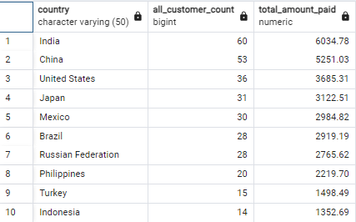
INPUT
WITH top_countries AS (
SELECT D.country
FROM customer A
INNER JOIN address B ON A.address_id = B.address_id
INNER JOIN city C ON B.city_id = C.city_id
INNER JOIN country D ON C.country_id = D.country_id
GROUP BY D.country
ORDER BY COUNT(DISTINCT A.customer_id) DESC
LIMIT 10
),
top_customers AS (
SELECT B.customer_id, B.first_name, B.last_name,
SUM(A.amount) AS total_amount_paid
FROM payment A
INNER JOIN customer B ON A.customer_id = B.customer_id
INNER JOIN address C ON B.address_id = C.address_id
INNER JOIN city D ON C.city_id = D.city_id
INNER JOIN country E ON D.country_id = E.country_id
WHERE E.country IN (SELECT country FROM top_countries)
GROUP BY B.customer_id, B.first_name, B.last_name
ORDER BY total_amount_paid DESC
LIMIT 10
)
SELECT E.country,
COUNT(DISTINCT B.customer_id) AS all_customer_count
FROM customer B
INNER JOIN address C ON B.address_id = C.address_id
INNER JOIN city D ON C.city_id = D.city_id
INNER JOIN country E ON D.country_id = E.country_id
WHERE E.country IN (SELECT country FROM top_countries)
GROUP BY E.country
ORDER BY all_customer_count DESC
LIMIT 10;

slide 13
● Where are customers with a high lifetime value based?

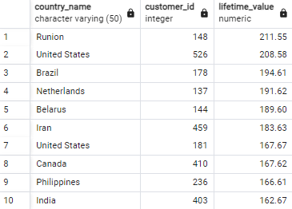
INPUT
WITH customer_lifetime_value AS (
SELECT B.customer_id,
SUM(A.amount) AS lifetime_value
FROM customer B
JOIN payment A ON B.customer_id = A.customer_id
GROUP BY B.customer_id
),
avg_lifetime_value AS (
SELECT AVG(lifetime_value) AS avg_lifetime_value
FROM customer_lifetime_value
)
SELECT
E.country AS country_name,
B.customer_id,
A.lifetime_value
FROM customer_lifetime_value A -- aliasing customer_lifetime_value as A
JOIN customer B ON A.customer_id = B.customer_id
JOIN address C ON B.address_id = C.address_id
JOIN city D ON C.city_id = D.city_id
JOIN country E ON D.country_id = E.country_id
CROSS JOIN avg_lifetime_value -- explicitly joining the CTE
WHERE
A.lifetime_value > avg_lifetime_value.avg_lifetime_value -- referencing the correct alias
ORDER BY
A.lifetime_value DESC
LIMIT 10;

